TC1 Role Management
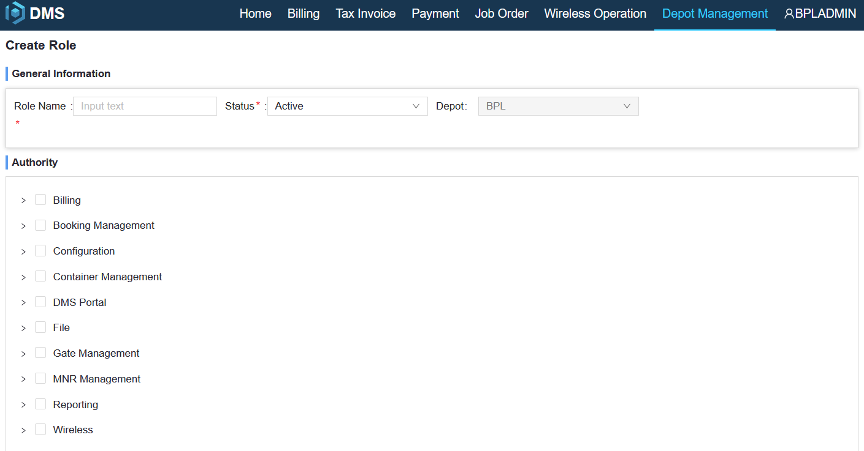
Test Case ID |  | TC1 | Test Case Description | Role Management
Tester's name |  | Handala | Date Tested | 2021-10-29 | Pass/Fail | Pass

Preconditions |  |  |  |  |  |  | Test Data
1 | User has authority of Role Management |  |  |  |  |  | 1 | admin
 |  |  |  |  |  |  | 2
 | We will close Role Management Feature on DMS Richclient and implement it on DMS portal, you can try with the feature |  |  |  |  |  | 3
 |  |  |  |  |  |  | 4
 |  |  |  |  |  |  | 5
 |  |  |  |  |  |  | 6
 |  |  |  |  |  |  | 7
 |  |  |  |  |  |  | 8

Steps # | Step Details |  |  |  | Expected Results |  |  | Actual Results | Pass / Fail / Not executed
1 | Login depotuat.oocllogistics.com |  |  |  | Can Login successful |  |  | Success
2 | Menu "Depot Management“-> "Create Role" |  |  |  |  |  |  | Success
3 | Capture new role and its authority and save it |  |  |  | New Role can be created successfully |  |  | Success
4 | Menu "Depot Management"->"Inquiry Role" |  |  |  | Roles can be listed with current detail information |  |  | Success
5
6
7

Sample UI

TC5 Invoice
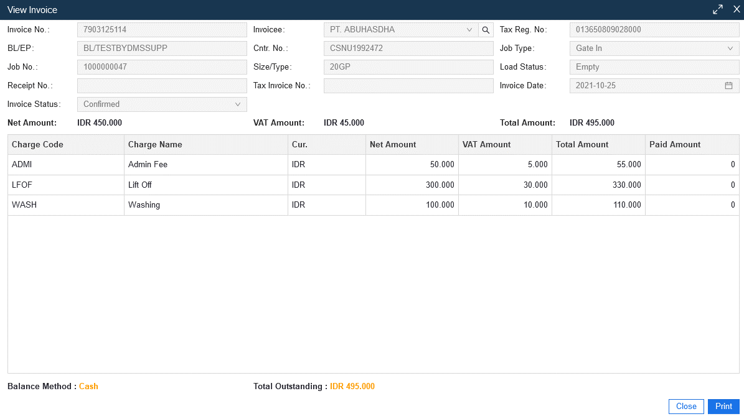
Test Case ID |  | TC5 | Test Case Description | Invoice
Tester's name |  | Handala | Date Tested | 2021-10-20 | Pass/Fail | Pass

Preconditions |  |  |  |  |  |  | Test Data
1 | User has authority of Inquiry Invoice |  |  |  |  |  | 1 | JO: 1000000051
 |  |  |  |  |  |  | 2
 | This is a new feature we setup on Portal, we allow user to inquiry and view invoice and print PDF |  |  |  |  |  | 3
 | With printed invoice feature, you might also print a invoice with negative amount to customer as a "refund" receipt |  |  |  |  |  | 4
 | And then when doing paymen, choose this negative amount invoice with new invoice to aply total payment |  |  |  |  |  | 5
 |  |  |  |  |  |  | 6
 |  |  |  |  |  |  | 7
 |  |  |  |  |  |  | 8

Steps # | Step Details |  |  |  | Expected Results |  |  | Actual Results | Pass / Fail / Not executed
1 | Login depotuat.oocllogistics.com |  |  |  | Can Login successful |  |  | Can Login successful | Pass
2 | Menu "billing“-> "Inquiry Invoice"
3 | Input Job Order Number or other criteria to search invoice |  |  |  | Invoice can be searched out |  |  | Invoice can be searched out | Pass
4 | Click invoice number to view detail |  |  |  | Charge information can be shown |  |  | Charge information can be shown | Pass
5 | Print invoice |  |  |  | invoice PDF can be printed |  |  | invoice PDF can be printed | Pass
6
7

Sample UI

Review
No | Menu | Remark
1. | Depot Management -> Create User | Server Error when I try to create one user
 |  | At Worker Field I can't change it to English
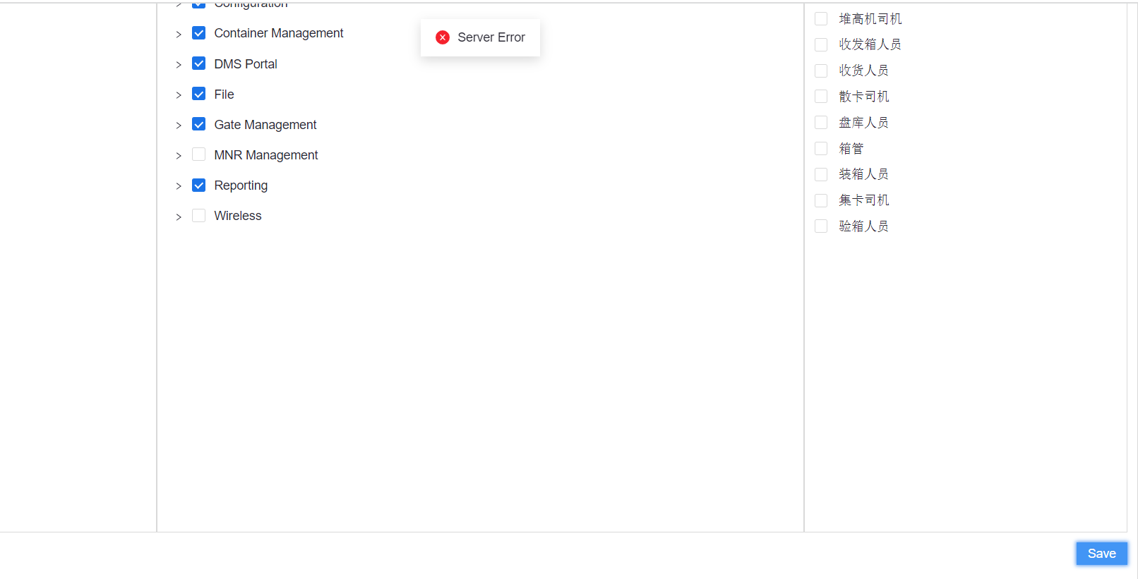

2. | Job Order -> Add Charge & Cost | How I can create bill LOLO to OOCL? Meanwhile in this invoice I can't change it to OOCL or Should we Add OOCL as a customer?

3. | DMS. Configuration -> Other Cust Management | Can you add a duplicate customer name correction?

